Interpol_Extrapol_Defaults
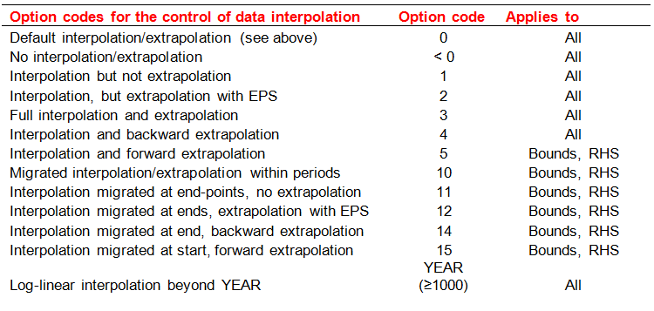
~TFM_MIG
TimeSlice | LimType | Attribute | Year2 | Other_Indexes | AllRegions | Pset_Set | Pset_PN | Pset_PD | Pset_CI | Pset_CO | Cset_Set | Cset_CN | Cset_CD
 | FX | Share | 0 |  | 1
 | UP,LO | Share | 0 |  | 3
 | UP,LO | CAP_BND | 0 |  | 3
 | UP,LO | ACT_BND | 0 |  | 1
 |  | IRE_BND | 0 |  | 1
 |  | UC_RHSRT | 0 |  | 1
 | UP,LO | NCAP_BND | 0 |  | 1

 |  | FLO_EMIS | 0 |  | 1

~TFM_UPD
TimeSlice | LimType | Attribute | Year | Other_Indexes | AllRegions | R0 | R1 | R2 | R3 | R4 | R5 | R6 | Pset_Set | Pset_PN | Pset_PD | Pset_CI | Pset_CO | Cset_Set | Cset_CN | Cset_CD
 |  | ACTCOST |  |  |  | 33,333 | 33,333 | 33,333 | 33,333 | 33,333 | 33,333 | 33,333 | IRE | IMPNRG*Z
 |  | ACTCOST |  |  |  | 77,777 | 77,777 | 77,777 | 77,777 | 77,777 | 77,777 | 77,777 | IRE | IMPDEMZ
 |  | ACTCOST |  |  |  | 44,444 | 44,444 | 44,444 | 44,444 | 44,444 | 44,444 | 44,444 | IRE | IMPMAT*Z

~TFM_INS-txt
TimeSlice | LimType | Attribute | Year | Attrib_Cond | AllRegions | Pset_Set | Pset_PN | Pset_PD | Pset_CI | Pset_CO | Cset_Set | Cset_CN | Cset_CD
 |  | PRC_TSL |  |  | DAYNITE |  | IMPNRGZ

